Location Plan & Summary
Intelligent Data Collection Limited

Client: | Bristol City Council |  | Date of Survey: |  | 24.03.2015
Project Number: | ID02263 |  | Site Name: |  | St Andrew's Road
Site Number: | Site 3 |  | Survey Type: |  | Two-way Link Count

X Coordinate |  | Y Coordinate |  | Google Maps Link
51.52532 |  | -2.684324 |  | Click Here
AM Peak Conditions |  | Inter-Peak Conditions |  | PM Peak Conditions
Sunny |  | Partially cloudy |  | Cloudy
Junction Layout

N

 |  | Arm A - St Andrew's Road (N)

 |  |  |  |  |  | Arm B - St Andrew's Road (S)

Aerial Mapping and On-site Camera View
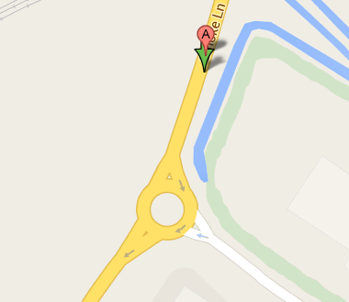
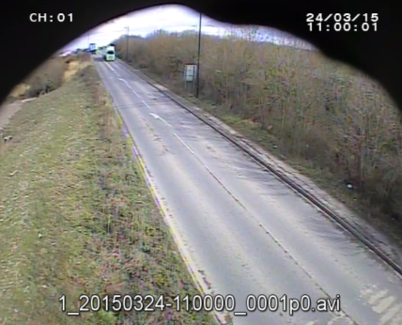
Arm A - St Andrew's Road (N)

Arm B - St Andrew's Road (S)

Junction Flow Profile
Arm Approach Flows (All Vehicles)
 | A to B (Southbound) | B to A (Northbound) | Two-way Total
0:00:00 | 15 | 7 | 22
0:15:00 | 20 | 10 | 30
0:30:00 | 10 | 14 | 24
0:45:00 | 8 | 9 | 17
1:00:00 | 21 | 10 | 31
1:15:00 | 11 | 10 | 21
1:30:00 | 7 | 7 | 14
1:45:00 | 10 | 8 | 18
2:00:00 | 15 | 10 | 25
2:15:00 | 4 | 8 | 12
2:30:00 | 11 | 17 | 28
2:45:00 | 12 | 14 | 26
3:00:00 | 8 | 15 | 23
3:15:00 | 23 | 17 | 40
3:30:00 | 10 | 7 | 17
3:45:00 | 14 | 24 | 38
4:00:00 | 19 | 16 | 35
4:15:00 | 24 | 31 | 55
4:30:00 | 32 | 21 | 53
4:45:00 | 31 | 29 | 60
5:00:00 | 34 | 34 | 68
5:15:00 | 36 | 36 | 72
5:30:00 | 60 | 80 | 140
5:45:00 | 69 | 61 | 130
6:00:00 | 61 | 74 | 135
6:15:00 | 75 | 75 | 150
6:30:00 | 67 | 64 | 131
6:45:00 | 98 | 104 | 202
7:00:00 | 96 | 88 | 184
7:15:00 | 74 | 82 | 156
7:30:00 | 121 | 79 | 200
7:45:00 | 142 | 105 | 247
8:00:00 | 125 | 84 | 209
8:15:00 | 123 | 107 | 230
8:30:00 | 108 | 97 | 205
8:45:00 | 112 | 83 | 195
9:00:00 | 71 | 75 | 146
9:15:00 | 58 | 73 | 131
9:30:00 | 74 | 66 | 140
9:45:00 | 64 | 60 | 124
10:00:00 | 59 | 61 | 120
10:15:00 | 63 | 65 | 128
10:30:00 | 57 | 72 | 129
10:45:00 | 83 | 76 | 159
11:00:00 | 57 | 71 | 128
11:15:00 | 64 | 76 | 140
11:30:00 | 64 | 60 | 124
11:45:00 | 71 | 82 | 153
12:00:00 | 84 | 80 | 164
12:15:00 | 71 | 75 | 146
...

Additional Notes (Factors which may impact on survey results such as accidents, roadworks, special events):

